Totals
DOWNLOAD THIS AUTO FORMAT SHEET FROM GAFFNEYSBAKERY.COM.AU
 | TALLY SHEET (Excel sheet progammed with automatic formulas for data entry) Add more columns for more orders (right click on the column and insert) | Use this section on your last page to tally your numbers. Fax or email this page as your order.
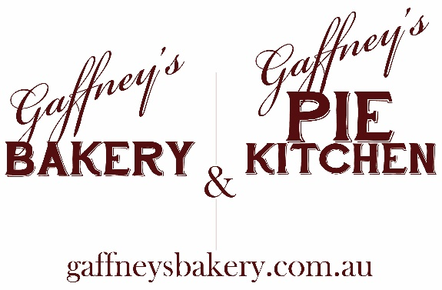 ORDER NAME | eg. John Smith | TOTAL QTY | SELLING PRICES | TOTAL $
Country Beef PARTY pies (6 pack) |  | 0 | $9.90 | $0.00
Beef & Mushroom Pie |  | 0 | $5.50 | $0.00
Beef & Shiraz Pie |  | 0 | $6.00 | $0.00
Beef & Vegetable Pastie |  | 0 | $5.50 | $0.00
Beef, Bacon & Cheese Pie |  | 0 | $5.50 | $0.00
Chicken Parma Pie |  | 0 | $6.20 | $0.00
Chunky Steak & Pepper Pie |  | 0 | $6.00 | $0.00
Cottage Pie |  | 0 | $6.00 | $0.00
Country Beef Pie |  | 0 | $4.50 | $0.00
GLUTEN FREE Slow Roasted Beef Pie |  | 0 | $6.50 | $0.00
Roasted Vegetable Pastie |  | 0 | $6.00 | $0.00
Spinach, Fetta & Ricotta Rolls |  | 0 | $4.70 | $0.00
Thai Chicken Pie |  | 0 | $6.00 | $0.00
Traditional Sausage Roll |  | 0 | $4.20 | $0.00
Triple Chilli Braised Beef Pie |  | 0 | $6.00 | $0.00
FAMILY Apple Fruit Pie |  | 0 | $14.00 | $0.00
FAMILY Cherry & Apple Fruit Pie |  | 0 | $16.50 | $0.00
FAMILY Beef, Bacon & Cheese Pie |  | 0 | $20.00 | $0.00
FAMILY Quiche- Bacon & Cheese |  | 0 | $24.00 | $0.00
FAMILY Quiche- Spin, Fetta & Pumpkin |  | 0 | $24.00 | $0.00
FAMILY Chunky Steak & Pepper Pie |  | 0 | $20.00 | $0.00
FAMILY Cottage Pie |  | 0 | $20.00 | $0.00
FAMILY Country Beef Pie |  | 0 | $14.00 | $0.00
 |  | TOTAL TAKINGS $ |  | $0.00
 |  | TOTAL COST with 20% Pie Drive Discount $ |  | $0.00
 |  | TOTAL PROFIT $ |  | $0.00

